Sheet1
 |  | Document No. |  | Issue No. | Issue Date |  | Review and Replace Date |  |  | Authorised By
 |  | GFF330MC |  | 2 | 05.10.2021 |  | 28.12.2021 |  |  | Magda Shah
 |  | Document Title |  | 8 PERSON BANQUET BOX 6690g

Document amendments reason for change |  | Film Updated |  | Page 1 of 2 |  | Previous Issue Date |  | 05.10.2021 |  | Uncontrolled copy unless signed original

C8PML-B8TEB | BOOTHS - AYR PARTY BOX |  |  |  | 8 PERSON BANQUET BOX 6690g | CHILLED
PRODUCT 1 |  |  |  |  |  | PRODUCT 2
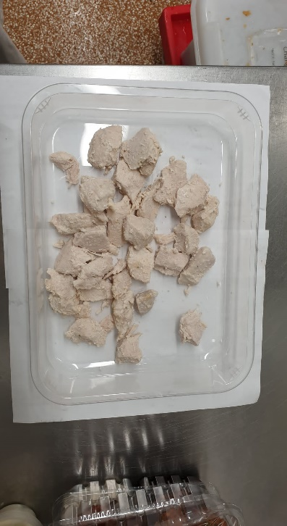 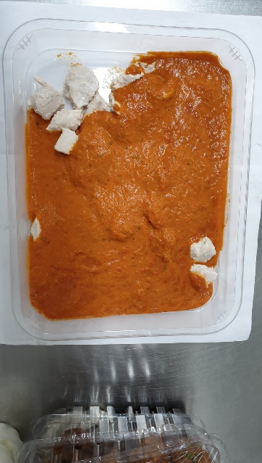  |  |  |  |  |  | 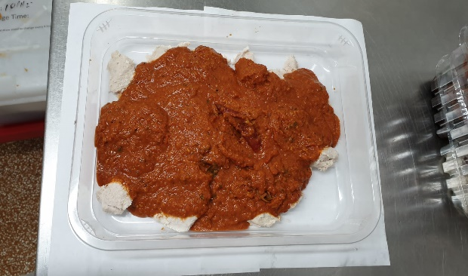

BM Chicken (GFF164R)300g
Butter Sauce (GFF134R) 700g
BM Chicken (GFF164R)
300g
Chettinad Sauce (CC) (GFF320R) 700g
Butter Chicken 1000g |  |  |  |  |  | Chettinad Chicken 1000g
Tray: H3H 50 - CLEAR (PKNUT001-07)
Film: PP340 AF 340mmx500m (PKPRO001-15)
Allergens: Barley, Milk |  |  |  |  |  | Allergens: Mustard
PRODUCT 3 |  |  |  |  |  | PRODUCT 4
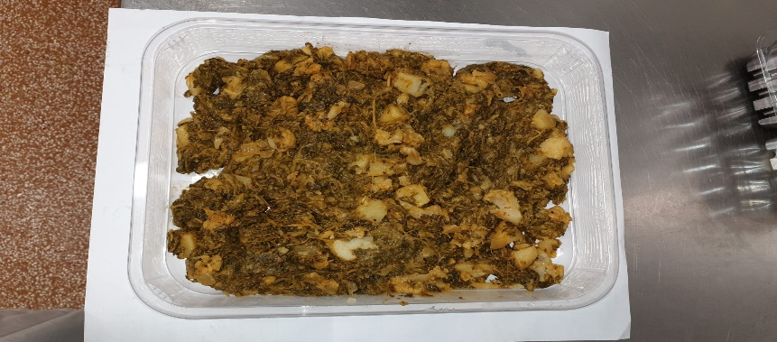 |  |  |  |  |  | 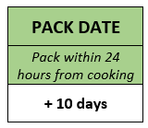 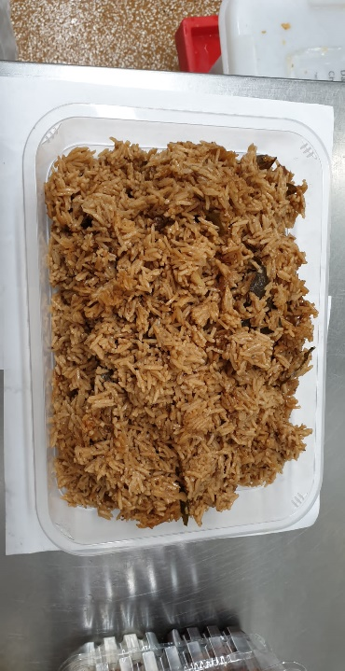

Saag Aloo Gobi (GFF130R) 1250g
Kashmiri Rice (GFF326R) 2000g

Saag Aloo Gobi (GFF130R) 1250g |  |  |  |  |  | Kashmiri Rice (GFF326R) 2000g
Tray: H3H 50 - CLEAR (PKNUT001-07)
Film: PP340 AF 340mmx500m (PKPRO001-15)
Allergens: Milk, Mustard |  |  |  |  |  | Allergens: none

 |  | Document No. |  | Issue No. | Issue Date |  | Review and Replace Date |  |  | Authorised By
 |  | GFF330MC |  | 2 | 05.10.2021 |  | 28.12.2021 |  |  | Magda Shah
 |  | Document Title |  | 8 PERSON BANQUET BOX 6690g

Document amendments reason for change |  | Film Updated |  | Page 2 of 2 |  | Previous Issue Date |  | 05.10.2021 |  | Uncontrolled copy unless signed original

C8PML-B8TEB | BOOTHS - AYR PARTY BOX |  |  |  | 8 PERSON BANQUET BOX 6690g | CHILLED
PRODUCT 5 |  |  |  | PRODUCT 6 |  |  |  |  | PRODUCT 7
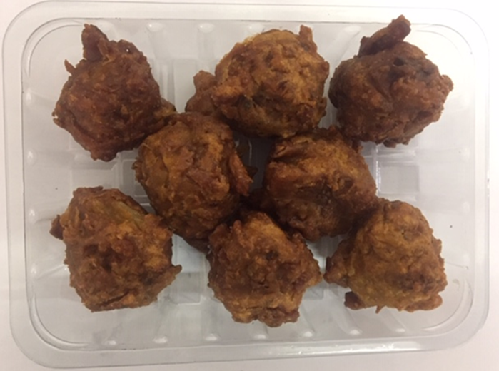 |  |  |  | 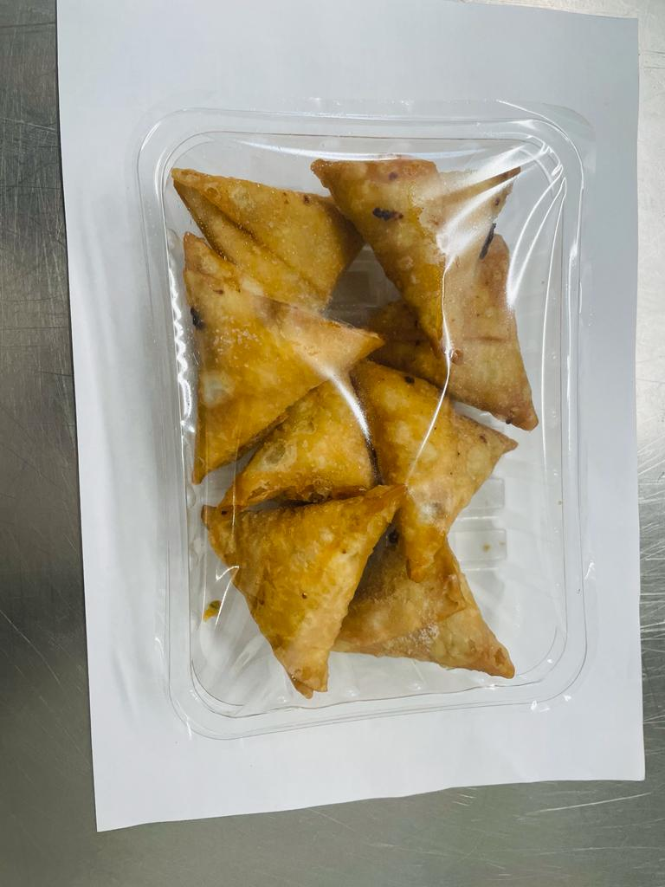

8 x ONION BHAJI (GFF121R) 30g: (240g) |  |  |  | 8 x VEGETABLE SAMOSA (GFF003R) 25g: (200g) |  |  |  |  | 8 x VEGETABLE PAKORA (GFF122R) 30g: (240g)
Tray: SK4 - Plain Clear (PKESS001-07)
Film: ME300AFV2, 300mmx 1000m (PKPRO001-16)
Allergens: none |  |  |  | Allergens: Wheat |  |  |  |  | Allergens: None
PRODUCT 8 |  |  |  |  |  | PRODUCT 9
30% Yoghurt & Mint (RMPIQ001-01R) 100g
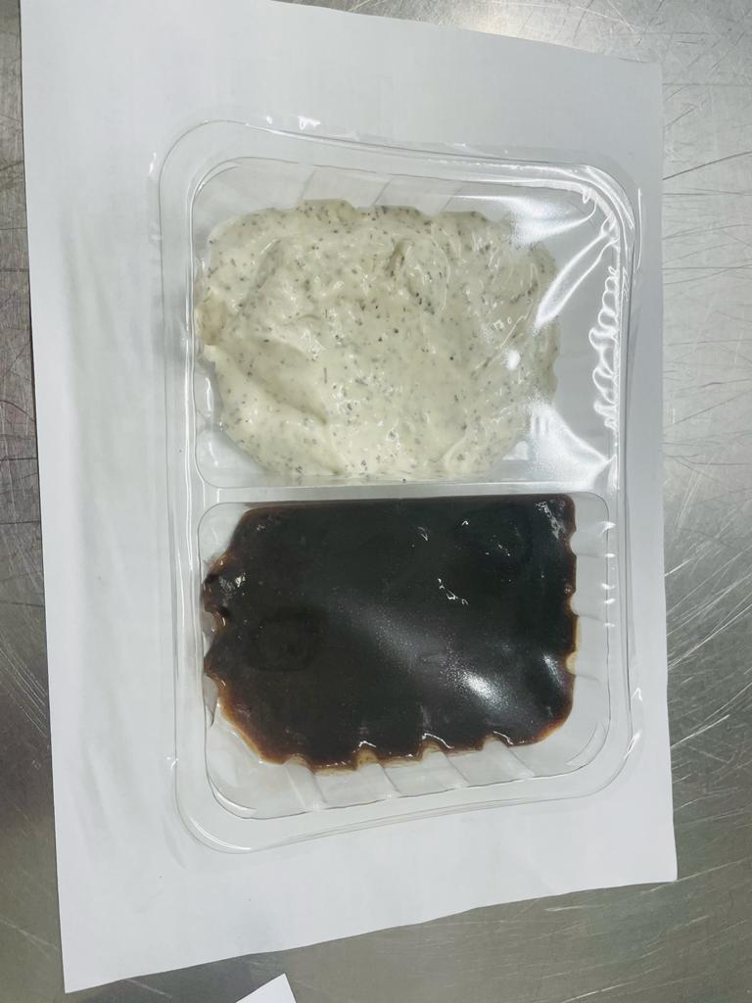
Will be added in Sleeving

Tamarind Sauce (RMP&B001-04) 100g

Tamarind Dip & Yogurt Mint Raita 200g |  |  |  |  |  | Mini Naan Bread - 4 packets (140gX4)
Tray: SK4 - Split Clear (PKESS001-06)
Film: ME300AFV2, 300mmx 1000m (PKPRO001-16)
Allergens: none |  |  | Allergens: Milk, Egg |  |  | Allergens: Wheat

